3. Graphs
Create a stacked column graph below showing the capital expenditure required from 2016 to 2025 for the following services (in the order listed)

Admin buildings and systems | CAPITAL EXPENDITURE | 2016 | 2017 | 2018 | 2019 | 2020 | 2021 | 2022 | 2023 | 2024 | 2025
Public places | Water Supply | 50.1 | 50.0 | 50.1 | 50.3 | 50.5 | 50.6 | 50.8 | 50.9 | 51.1 | 51.3
Public services | Sanitation | 37.3 | 37.3 | 37.5 | 37.8 | 38.2 | 38.5 | 38.9 | 39.2 | 39.6 | 40.1
Land and top structure for housing | Electricity | 121.9 | 123.9 | 125.3 | 126.6 | 127.8 | 129.2 | 130.5 | 131.9 | 133.4 | 134.9
Public transport | Solid Waste | 1.4 | 1.4 | 1.5 | 1.5 | 1.5 | 1.6 | 1.6 | 1.6 | 1.7 | 1.7
Solid Waste | Roads | 60.7 | 60.7 | 61.0 | 61.6 | 62.2 | 62.8 | 63.5 | 64.2 | 65.0 | 65.8
Sanitation | Land and top structure for housing | 32.3 | 31.9 | 32.6 | 33.8 | 35.0 | 36.4 | 37.9 | 39.4 | 41.0 | 42.6
Water Supply | Public services | 11.0 | 11.2 | 11.4 | 11.6 | 11.8 | 12.0 | 12.2 | 12.4 | 12.6 | 12.8
Roads | Public transport | 3.0 | 3.0 | 3.0 | 3.0 | 3.0 | 3.0 | 3.0 | 3.0 | 3.0 | 3.0
Electricity | Public places | - | - | - | - | - | - | - | - | - | -
 | Economic infra and buildings | 1.0 | 1.0 | 1.0 | 1.0 | 1.0 | 1.0 | 1.0 | 1.0 | 1.0 | 1.0
Use the data in sheet Data1. Please ensure there is a legend, title and axis labels | Admin buildings and systems | 2.5 | 2.5 | 2.5 | 2.5 | 2.5 | 2.5 | 2.5 | 2.5 | 2.5 | 2.5
 | Total | 321.2 | 323.0 | 326.0 | 329.6 | 333.4 | 337.5 | 341.8 | 346.2 | 350.9 | 355.7
Create your graph here:

Capital Expenditure for Services

7. Pivot tables
Using the Data 3 sheet and a pivot table, produce a graph that looks like this:
Place the pivot table and the graph on this sheet

 | Different types of housing and their disparate incomes
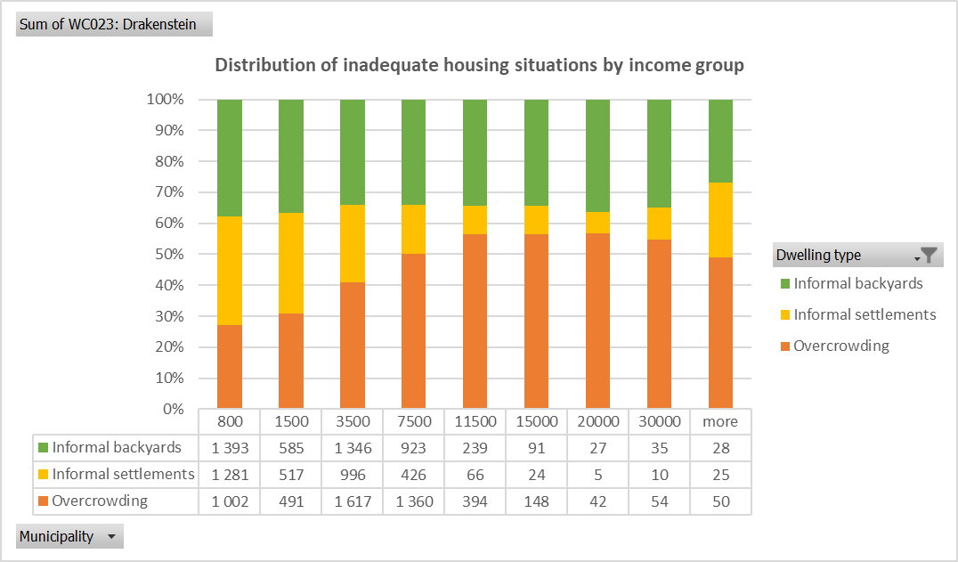
Distribution of inadequate housing situations by income group
 | Overcrowding | Informal settlements | Informal backyards
800 | 1002 | 1281 | 1393
1500 | 491 | 517 | 585
3500 | 1617 | 996 | 1346
7500 | 1360 | 426 | 923
11500 | 394 | 66 | 239
15000 | 148 | 24 | 91
20000 | 42 | 5 | 27
30000 | 54 | 10 | 35
more | 50 | 25 | 28

Pivot Table Worksheet
Sum of WC023: Drakenstein | Column Labels
Row Labels | Overcrowding | Informal settlements | Informal backyards | Grand Total
800 | 1002 | 1281 | 1393 | 3676
1500 | 491 | 517 | 585 | 1594
3500 | 1617 | 996 | 1346 | 3959
7500 | 1360 | 426 | 923 | 2709
11500 | 394 | 66 | 239 | 700
15000 | 148 | 24 | 91 | 263
20000 | 42 | 5 | 27 | 74
30000 | 54 | 10 | 35 | 99
more | 50 | 25 | 28 | 103
Grand Total | 5160 | 3349 | 4667 | 13176
Distribution of inadequate housing situations by income group

8.Data Analysis for Data1
Row Labels | Capital Expenditure in 2024 | Capital Expenditure in 2020 | Capital Expenditure in 2017
Electricity | R133.38 | R127.82 | R123.95
Public services | R12.58 | R11.76 | R11.20
Roads | R64.98 | R62.16 | R60.65
Water Supply | R51.13 | R50.46 | R50.02
Grand Total | R262.07 | R252.20 | R245.82
Capital expenditure vs. municipal services

8.Data Analysis for Data3
Income Group | Sum of WC031: Theewaterskloof | Sum of WC048: Knysna | Sum of CPT: City of Cape Town
800 | 5291 | 5470 | 236972
1500 | 4641 | 2681 | 104406
3500 | 8860 | 5276 | 226871
7500 | 6235 | 3558 | 176310
11500 | 2205 | 1534 | 89544
15000 | 1080 | 834 | 51268
20000 | 811 | 755 | 49909
30000 | 1096 | 1060 | 72174
more | 1229 | 1662 | 130525
Grand Total | 31449 | 22830 | 1137981
Number of households vs. income groups

Sheet4
Row Labels | Sum of Plant 1 | Sum of Plant 2 | Sum of Plant 3 | Sum of Plant 4
5 | 2 | 4 | 6 | 7
10 | 4 | 8 | 12 | 14
15 | 6 | 12 | 18 | 21
20 | 8 | 16 | 24 | 28
25 | 10 | 20 | 30 | 35
30 | 12 | 24 | 36 | 42
Grand Total | 42 | 84 | 126 | 147

